M.2 A Key
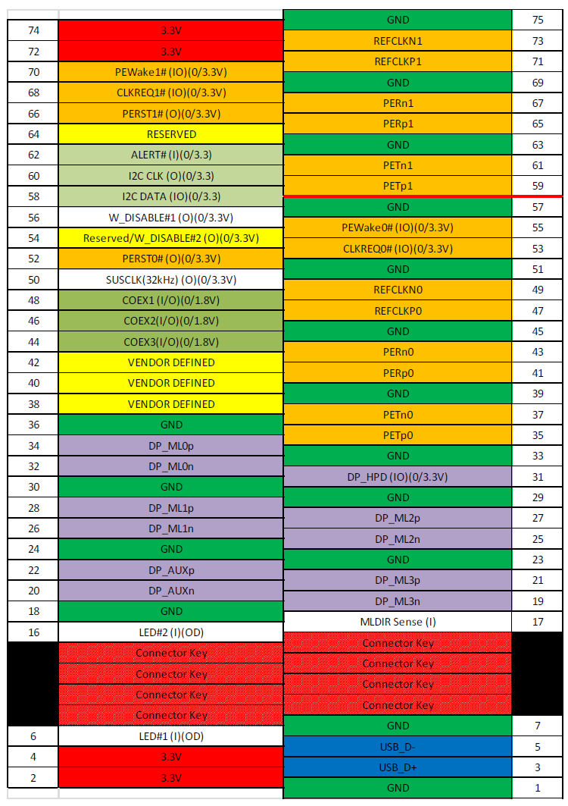
Function | Designator | Function | Designator
+3.3V | 74 | GND | 75
+3.3V | 72 | REFCLKN1 | 73
PEWAKE1# | 70 | REFCLKP1 | 71
CLKREQ1# | 68 | GND | 69
PERST1# | 66 | PERn1 | 67
RESERVED | 64 | PERp1 | 65
ALERT# | 62 | GND | 63
I2C_CLK | 60 | PETn1 | 61
I2C_DATA | 58 | PETp1 | 59
W_DISABLE#1 | 56 | GND | 57
W_DISABLE#2 | 54 | PEWAKE0# | 55
PERST0# | 52 | CLKREQ0# | 53
SUSCLK | 50 | GND | 51
COEX1 | 48 | REFCLKN0 | 49
COEX2 | 46 | REFCLKP0 | 47
COEX3 | 44 | GND | 45
VENDOR | 42 | PERn0 | 43
VENDOR | 40 | PERp0 | 41
VENDOR | 38 | GND | 39
GND | 36 | PETn0 | 37
DP_ML0p | 34 | PETp0 | 35
DP_ML0n | 32 | GND | 33
GND | 30 | DP_HPD | 31
DP_ML1p | 28 | GND | 29
DP_ML1n | 26 | DP_ML2p | 27
GND | 24 | DP_ML2n | 25
DP_AUXp | 22 | GND | 23
DP_AUXn | 20 | DP_ML3p | 21
GND | 18 | DP_ML3n | 19
LED#2 | 16 | MLDIR | 17
 | 14 |  | 15
 | 12 |  | 13
 | 10 |  | 11
 | 8 |  | 9
LED#1 | 6 | GND | 7
+3.3V | 4 | USB_DN | 5
+3.3V | 2 | USB_DP | 3
 |  | GND | 1

M.2 B Key
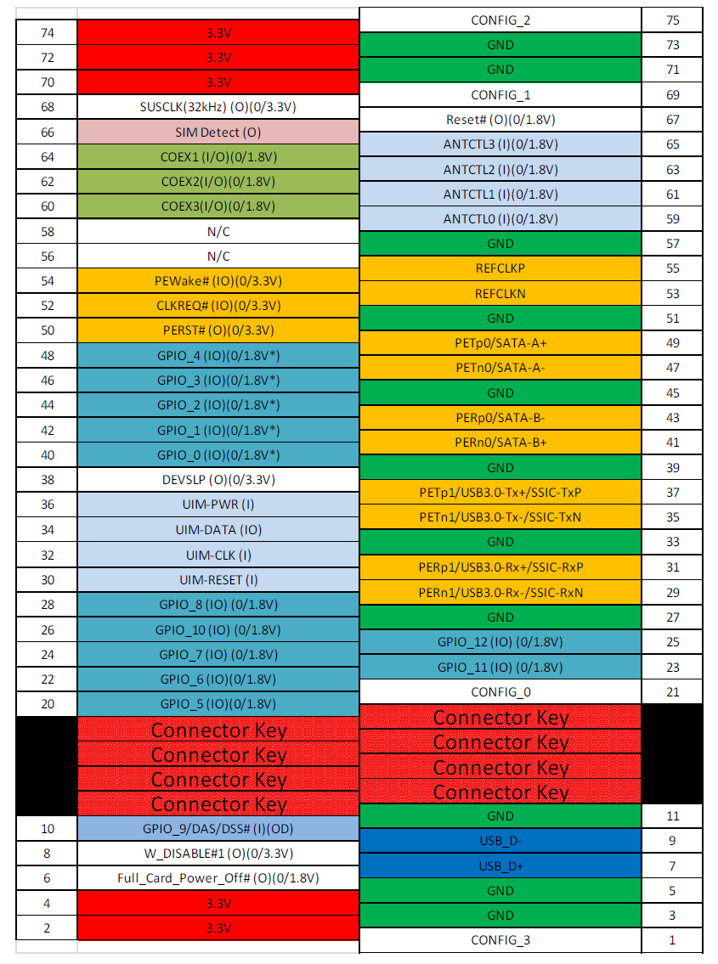
Function | Designator | Function | Designator
+3.3V | 74 | CONFIG_2 | 75
+3.3V | 72 | GND | 73
+3.3V | 70 | GND | 71
SUSCLK | 68 | CONFIG_1 | 69
SIM_DETECT | 66 | RESET# | 67
COEX1 | 64 | ANTCTL3 | 65
COEX2 | 62 | ANTCTL2 | 63
COEX3 | 60 | ANTCTL1 | 61
NC | 58 | ANTCTL0 | 59
NC | 56 | GND | 57
PEWAKE# | 54 | REFCLKP1 | 55
CLKREQ# | 52 | REFCLKN1 | 53
PERST# | 50 | GND | 51
GPIO4 | 48 | PETp0/SATA_A+ | 49
GPIO3 | 46 | PETn0/SATA_A- | 47
GPIO2 | 44 | GND | 45
GPIO1 | 42 | PERp0/SATA_B- | 43
GPIO0 | 40 | PERn0/SATA_B+ | 41
DEVSLP | 38 | GND | 39
UIM_PWR | 36 | PETp1/USB3.0_TX+/SSIC_TXP | 37
UIM_DATA | 34 | PETn1/USB3.0_RX-/SSIC_RXN | 35
UIM_CLK | 32 | GND | 33
UIM_RESET | 30 | PERp1/USB3.0_RX+/SSIC_RXP | 31
GPIO8 | 28 | PERn1/USB3.0_RX-/SSIC_RXN | 29
GPIO10 | 26 | GND | 27
GPIO7 | 24 | GPIO12 | 25
GPIO6 | 22 | GPIO11 | 23
GPIO5 | 20 | CONFIG_0 | 21
 | 18 |  | 19
 | 16 |  | 17
 | 14 |  | 15
 | 12 |  | 13
GPIO9 | 10 | GND | 11
W_DISABLE#1 | 8 | USB_D- | 9
POWER_OFF# | 6 | USB_D+ | 7
+3.3V | 4 | GND | 5
+3.3V | 2 | GND | 3
 |  | CONFIG_3 | 1

M.2 E Key
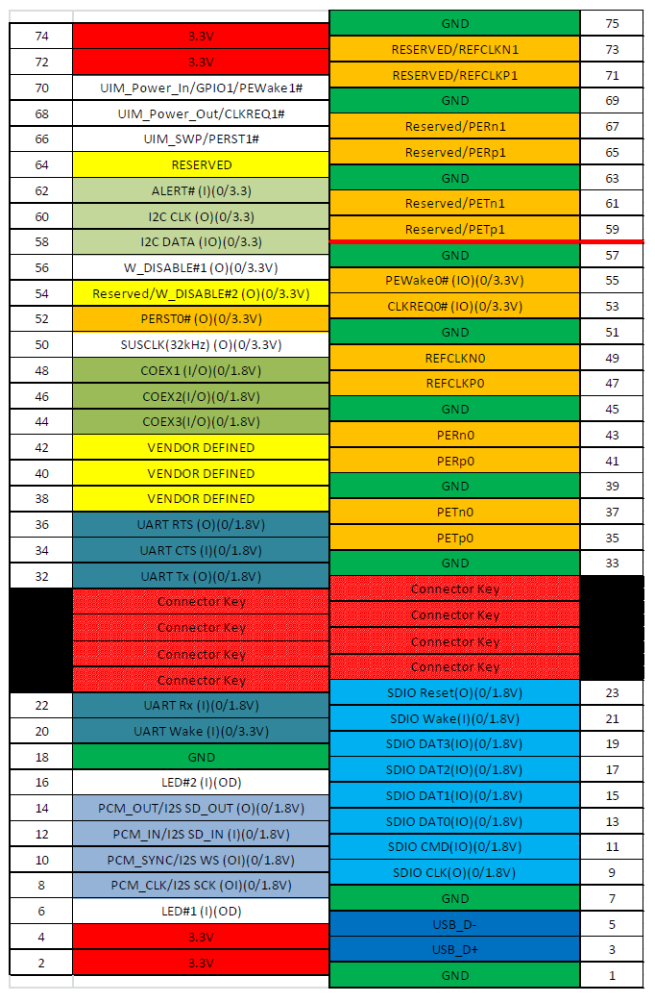
Function | Designator | Function | Designator
+3.3V | 74 | GND | 75
+3.3V | 72 | RESERVED/REFCLKN1 | 73
UIM_POWER_IN/GPIO1/PEWAKE1# | 70 | RESERVED/REFCLKP1 | 71
UIM_POWER_OUT/CLKREQ1# | 68 | GND | 69
UIM_SWP/PERST1# | 66 | RESERVED/PEPn1 | 67
RESERVED | 64 | RESERVED/PEPp1 | 65
ALERT# | 62 | GND | 63
I2C_CLK | 60 | RESERVED/PETn1 | 61
I2C_DATA | 58 | RESERVED/PETp1 | 59
W_DISABLE#1 | 56 | GND | 57
RESERVED/W_DISABLE#2 | 54 | PEWAKE0# | 55
PERST0# | 52 | CLKREQ0# | 53
SUSCLK | 50 | GND | 51
COEX1 | 48 | REFCLKN0 | 49
COEX2 | 46 | REFCLKP0 | 47
COEX3 | 44 | GND | 45
VENDOR | 42 | PERn0 | 43
VENDOR | 40 | PERp0 | 41
VENDOR | 38 | GND | 39
UART_RTS | 36 | PETn0 | 37
UART_CTS | 34 | PETp0 | 35
UART_TX | 32 | GND | 33
 | 30 |  | 31
 | 28 |  | 29
 | 26 |  | 27
 | 24 |  | 25
UART_RX | 22 | SDIO_RESET | 23
UART_WAKE | 20 | SDIO_WAKE | 21
GND | 18 | SDIO_DATA3 | 19
LED#2 | 16 | SDIO_DATA2 | 17
PCM_OUT/I2S_SD_OUT | 14 | SDIO_DATA1 | 15
PCM_IN/I2S_SD_IN | 12 | SDIO_DATA0 | 13
PCM_SYNC/I2S_WS | 10 | SDIO_CMD | 11
PCM_CLK/I2S_SCK | 8 | SDIO_CLK | 9
LED#1 | 6 | GND | 7
+3.3V | 4 | USB_D- | 5
+3.3V | 2 | USB_D+ | 3
 |  | GND | 1

M.2 M Key
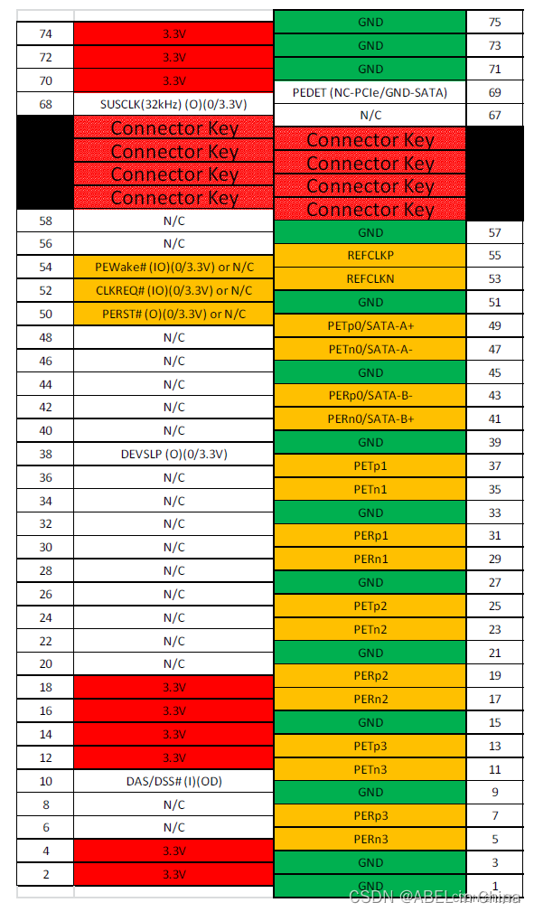
Function | Designator | Function | Designator
+3.3V | 74 | GND | 75
+3.3V | 72 | GND | 73
+3.3V | 70 | GND | 71
SUSCLK | 68 | PEDET/PCIE_NC/SATA_GND | 69
 | 66 | NC | 67
 | 64 |  | 65
 | 62 |  | 63
 | 60 |  | 61
NC | 58 |  | 59
NC | 56 | GND | 57
PEWAKE# | 54 | REFCLKP | 55
CLKREQ# | 52 | REFCLKN0 | 53
PERST# | 50 | GND | 51
NC | 48 | PETp0/SATA_A+ | 49
NC | 46 | PETn0/SATA_A- | 47
NC | 44 | GND | 45
NC | 42 | PERp0/SATA_B- | 43
NC | 40 | PERn0/SATA_B+ | 41
DEVSLP | 38 | GND | 39
NC | 36 | PETp1 | 37
NC | 34 | PETn1 | 35
NC | 32 | GND | 33
NC | 30 | PERp1 | 31
NC | 28 | PERn1 | 29
NC | 26 | GND | 27
NC | 24 | PETp2 | 25
NC | 22 | PETn2 | 23
NC | 20 | GND | 21
+3.3V | 18 | PERp2 | 19
+3.3V | 16 | PERn2 | 17
+3.3V | 14 | GND | 15
+3.3V | 12 | PETp3 | 13
DAS/DSS# | 10 | PETn3 | 11
NC | 8 | GND | 9
NC | 6 | PERp3 | 7
+3.3V | 4 | PERn3 | 5
+3.3V | 2 | GND | 3
 |  | GND | 1

